KKO
KAJIAN KELAYAKAN OPERASI

DAYA LAMA |  |  |  | DAYA BARU
Nama Pelanggan | : | TSALITS QOIF FARID |  | Nama Pelanggan | : | TSALITS QOIF FARID
Daya Lama (VA) | : | 0 |  | Daya Baru (VA) | : | 6600
Jumlah Fasa | : | 1 | * | Jumlah Fasa | : | 1
Tegangan Sekunder Pengukuran rata-rata (Fasa-Netral) (V) | : | 220 | * | Tegangan Sekunder Pengukuran rata-rata (Fasa-Netral) (V) | : | 220
Beban Pelanggan (A) | : | 0.00 |  | Beban Pelanggan (A) | : | 30.08

SUPLAI TRAFO EKSISTING |  |  |  | SUPLAI TRAFO RENCANA
Nomor Tiang | : |  |  | Nomor Tiang | : | -
Penyulang | : |  |  | Penyulang | : | 0
Daya | : |  | * | Daya | : | 50
Jumlah Fasa | : |  | * | Jumlah Fasa | : | 3
Beban TRAFO (Pengukuran Lapangan) |  | 0 |  | Beban TRAFO | : | 30.08
Beban Primer | : | 0.00 | * | Beban Primer | : | 1.44
Beban Sekunder | : | 0.00 | * | Beban Sekunder | : | 75.97
Beban (A) | : | 0.00 |  | Beban (A) | : | 0.08
Prosentase Pembebanan | : | #DIV/0! |  | Beban (A) | : | 40%
 | 40% | 100%
Prosentase Pembebanan | : | 100% |  | Beban (A) | : | 100%

DATA





DATA
Tahun | : | 2022
Discount Rate | : | 12%
Transfer price TM | : | 1,084 |  | Marginal COST maret 2022
Umur ekonomis (tahun) | : | 25.00
Selisih Susut Teknis | : | 2.25%
∑ Daya | : | 7
BP (Rp) | : | 6,395,400
RAB (Rp) | : | 79,011,446
Biaya O&M (2% invest) | : | 1,580,228.92

Nama Pelanggan | : | TSALITS QOIF FARID | *
Golongan Pelanggan | : | B2 | *
Jenis Layanan | : | REGULER | *
Daya Lama (kVA) | : | - | *
Daya Baru (kVA) | : | 7 | *
Tarif WBP (Rp/kWh) | : | 1,444.70 | *
Tarif LWBP (Rp/kWh) | : | 1,444.70 | *
BP (Rp/VA) TR | : | 969 | *
Jam Nyala | : | 40 | *

RAB
 |  | PT. PLN ( PERSERO )
 |  | UNIT INDUK DISTRIBUSI JAWA TENGAH & DI YOGYAKARTA |  |  |  |  |  |  |  |  |  | RAB TOTAL
 |  | UP3 DEMAK |  |  |  |  |  |  |  |  | RAB TOTAL | RAB NON MDU
 | RENCANA ANGGARAN BIAYA (RAB)

 |  |  |  | Pekerjaan | : | TSALITS QOIF FARID
 |  |  |  | Lokasi | : | JL. NURCAHYA NO.78, KALICILIK, DEMAK, KAB. DEMAK
 |  |  |  | Pelaksana | : | UP3 DEMAK
 |  |  |  | Anggaran | : | SAR 2023

Note !! 1. Saat Pengisian Uraian di mohon memasukan nama material sesuai dengan nama material di harga satuan
2. Mohon di cek kembali saat pengisian volume material
3. Untuk program Sarana Penunjang Fungsi tidak perlu SLO.
 | NO | URAIAN | GOL | SAT | VOL | HARGA SATUAN | BIAYA YANG DIPERLUKAN ( Rp )
 |  |  |  |  |  |  | MDU | HARDWARE | JASA | JUMLAH

 |  |  |  |  |  | 0 | 0 | 0 | 0 | 0
#REF! | I | PENANAMAN TIANG BETON |  |  |  | 0 | 0 | 0 | 0 | 0
#REF! |  |  |  |  |  | 0 | 0 | 0 | 0 | 0
 | 1 | Tiang Beton 12M-200 daN+E | HDW | Btg | 1 | 5,800,000 | 0 | 5,800,000 | 0 | 5,800,000
 |  |  |  |  |  | 0 | 0 | 0 | 0 | 0
 | II | KONSTRUKSI JTR 3 PHASE |  |  |  | 0 | 0 | 0 | 0 | 0
 |  |  |  |  |  | 0 | 0 | 0 | 0 | 0
 | + | CJ6-T |  | Unit | 2 | 0 | 0 | 0 | 0 | 0
 | 1 | Dead End Assembly | HDW | Bh | 2 | 78,500 | 0 | 157,000 | 0 | 157,000
 | 2 | Plastic Strap for Clamping | HDW | Bh | 2 | 4,212 | 0 | 8,424 | 0 | 8,424
 | 3 | Stainless Steel Strap 20 x 0.7 mm | HDW | Mtr | 2 | 23,310 | 0 | 46,620 | 0 | 46,620
 | 4 | Stopping Buckle / Yokes | HDW | Bh | 2 | 2,300 | 0 | 4,600 | 0 | 4,600
 | 5 | Upah Pasang Konst. JTR J6-T | JASA | Unit | 2 | 35,700 | 0 | 0 | 71,400 | 71,400
 |  |  |  |  |  | 0 | 0 | 0 | 0 | 0
 |  | CONDUKTOR |  |  |  | 0 | 0 | 0 | 0 | 0
 | 1 | NFA2X-T 3x70+1x70 | MDU-KD | Mtr | 35 | 54,500 | 1,907,500 | 0 | 0 | 1,907,500
 | 2 | Upah Pasang Penghantar TR LVTC 3x70 + 1x50mm² | JASA | Per 50 m | 0.7 | 223,500 | 0 | 0 | 156,450 | 156,450
 |  |  |  |  |  | 0 | 0 | 0 | 0 | 0
 | III | PEMASANGAN TRAFO |  |  |  | 0 | 0 | 0 | 0 | 0
 |  |  |  |  |  | 0 | 0 | 0 | 0 | 0
 | + | Trafo 3 Fasa 50 KVA 1 Tiang (G312-A) |  | Unit | 1 | 0 | 0 | 0 | 0 | 0
 | 1 | Trafo 3 phasa 50 kVA YNyn0 | MDU-KD | Bh | 1 | 42,757,200 | 42,757,200 | 0 | 0 | 42,757,200
 | 2 | Jumper Wire : |  |  |  | 0 | 0 | 0 | 0 | 0
 |  | AAAC 70 mm² | MDU-KD | Mtr | 9 | 14,200 | 127,800 | 0 | 0 | 127,800
 |  | NFA2X-T 3x70+1x70 | MDU-KD | Mtr | 3 | 54,500 | 163,500 | 0 | 0 | 163,500
 | 3 | Lightning Arester (Polymer) 21 KV, 10 KA | MDU-KD | Bh | 3 | 725,900 | 2,177,700 | 0 | 0 | 2,177,700
 | 4 | FCO Polymer | MDU-KD | Bh | 3 | 848,250 | 2,544,750 | 0 | 0 | 2,544,750
 | 5 | Fuse Link 4 A | HDW | Bh | 3 | 17,500 | 0 | 52,500 | 0 | 52,500
 | 6 | Sepatu Kabel AL/CU 1 Hole 70 | HDW | Bh | 13 | 49,000 | 0 | 637,000 | 0 | 637,000
 | 7 | Bolt Machine / Bolt cariage ½" x ¾" | HDW | Bh | 22 | 7,938 | 0 | 174,636 | 0 | 174,636
 | 8 | Bracket band segment,vertikal plat ( Hot dip galvanis ) | HDW | Bh | 1 | 404,600 | 0 | 404,600 | 0 | 404,600
 | 9 | Compresion Conector H type 70 mm² / 70 mm² | HDW | Bh | 3 | 15,900 | 0 | 47,700 | 0 | 47,700
 | 10 | Cross Arm Steel 1.500 mm ( UNSP 10 ) galvanis | HDW | Bh | 5 | 283,100 | 0 | 1,415,500 | 0 | 1,415,500
 | 11 | Cross Arm Steel 2.000 mm ( UNSP 10 ) galvanis | HDW | Bh | 4 | 380,500 | 0 | 1,522,000 | 0 | 1,522,000
 | 12 | Hot Line Clamp ( 150mm² s/d 240 mm² ) | HDW | Bh | 3 | 173,400 | 0 | 520,200 | 0 | 520,200
 | 13 | Pole Band Single Rack 7" atau 7 ½" | HDW | Bh | 1 | 57,690 | 0 | 57,690 | 0 | 57,690
 | 14 | Pole Band Double Rack 8" atau 8 ½" | HDW | Bh | 2 | 67,500 | 0 | 135,000 | 0 | 135,000
 | 15 | Steel L 70 x 70 x 7 x 780 mm galvanis | HDW | Bh | 2 | 129,000 | 0 | 258,000 | 0 | 258,000
 | 16 | Steel L 70 x 70 x 7 x 1.682 mm galvanis | HDW | Bh | 4 | 250,000 | 0 | 1,000,000 | 0 | 1,000,000
 | 17 | Upah Pasang Trafo 3 Fasa 50 KVA 1 Tiang | JASA | Unit | 1 | 1,182,800 | 0 | 0 | 1,182,800 | 1,182,800
 | 18 | Penghalang Panjat dan Papan Peringatan | HDW | Set | 1 | 200,000 | 0 | 200,000 | 0 | 200,000
 |  |  |  |  |  | 0 | 0 | 0 | 0 | 0
 | + | CM2-11M |  | Unit | 2 | 0 | 0 | 0 | 0 | 0
 | 1 | Ground rod ⅝" x 8" Copper Weld | HDW | Bh | 2 | 185,200 | 0 | 370,400 | 0 | 370,400
 | 2 | Bimetalic Connector 35 - 240 mm² | HDW | Bh | 2 | 47,459 | 0 | 94,918 | 0 | 94,918
 | 3 | Clamp Ground Rod ⅝" | HDW | Bh | 2 | 4,880 | 0 | 9,760 | 0 | 9,760
 | 4 | Ground wire Cu 16 mm² | HDW | Mtr | 20 | 30,000 | 0 | 600,000 | 0 | 600,000
 | 5 | Ground rod & Washer | HDW | Bh | 4 | 9,500 | 0 | 38,000 | 0 | 38,000
 | 6 | Pipa PVC ½" | HDW | Bh | 11 | 6,100 | 0 | 67,100 | 0 | 67,100
 | 7 | Stopping Buckle / Yokes | HDW | Bh | 12 | 2,300 | 0 | 27,600 | 0 | 27,600
 | 8 | Stainless Steel Strap 20 X 0.7 mm | HDW | Mtr | 9.6 | 23,310 | 0 | 223,776 | 0 | 223,776
 | 9 | Upah Pasang Acc.Jar M2-11M | JASA | Unit | 2 | 65,400 | 0 | 0 | 130,800 | 130,800
 |  |  |  |  |  | 0 | 0 | 0 | 0 | 0
 | IV | Pemasangan APP |  |  |  | 0 | 0 | 0 | 0 | 0
 | + | Daya 6.600 VA |  | Unit | 1 | 0 | 0 | 0 | 0 | 0
 | 1 | KWH MPB; 3P; 4W; 230/400 V; 5(80) A; Class 1 | HDW | Bh | 1 | 1,719,200 | 0 | 1,719,200 | 0 | 1,719,200
 | 2 | Smart Box Langsung Daya 6.6 kVA MCCB 10 A | MDU-KD | Unit | 1 | 3,564,900 | 3,564,900 | 0 | 0 | 3,564,900
 | 3 | NFA2X 4 x 10 mm² | HDW | Mtr | 20 | 10,000 | 0 | 200,000 | 0 | 200,000
 | 4 | Upah Pasang SR + APP 3 Fasa | JASA | Unit | 1 | 106,400 | 0 | 0 | 106,400 | 106,400
 |  |  |  |  |  | 0 | 0 | 0 | 0 | 0
 | + | CM2-11 |  | Unit | 1 | 0 | 0 | 0 | 0 | 0
 | 1 | Ground rod ⅝" x 8" Copper Weld | HDW | Bh | 1 | 185,200 | 0 | 185,200 | 0 | 185,200
 | 2 | Bimetalic Connector 35 - 240 mm² | HDW | Bh | 1 | 47,459 | 0 | 47,459 | 0 | 47,459
 | 3 | Ground wire Cu 16 mm² | HDW | Mtr | 1.5 | 30,000 | 0 | 45,000 | 0 | 45,000
 | 4 | Ground rod & Washer | HDW | Bh | 2 | 9,500 | 0 | 19,000 | 0 | 19,000
 | 5 | Upah Pasang Acc.Jar M2-11 | JASA | Unit | 1 | 56,400 | 0 | 0 | 56,400 | 56,400

 | V | PEKERJAAN LAIN-LAIN

 |  | SLO
 | 1 | Sertifikasi Laik Operasi | JASA | Lot | 1 | 2.5% |  |  | 145,000 | 145,000
 |  |  |  |  |  |  | 0 | 0 | 0 | 0

 |  | Jumlah MDU - Hardware - Jasa |  |  |  | : | 53,243,350 | 16,088,883 | 1,849,250 | 71,181,483
 |  | PPN 11% |  |  |  | : | 5,856,769 | 1,769,777 | 203,418 | 7,829,963
 |  | Jumlah Total |  |  |  | : | 59,100,119 | 17,858,660 | 2,052,668 | 79,011,446
 | Terbilang : Tujuh Puluh Sembilan Juta Sebelas Ribu Empat Ratus Empat Puluh Enam Rupiah

 | Harga yang dipakai adalah RAB HSS 2023

 |  |  |  |  |  |  |  | Demak, 31 AGUSTUS 2023
 |  |  |  |  |  |  |  | MANAGER ULP

 |  |  |  |  |  |  |  | ACHMAD SUHENDRO

GAMBAR
 | PT. PLN (PERSERO) UP3 DEMAK

s
s
 | Keterangan Gambar :
 | No | Nama Material |  | Baru |  | Eksisting
 | 1 | Tiang Beton
KOORDINAT : -6.884629, 110.638518 | 2 | Tiang Besi
 | 3 | JTM 3 Fasa
 | 4 | JTM 1 Fasa
 | 5 | JTR 1 Fasa Only / UB
 | 6 | JTR 3 Fasa Only / UB
 | 7 | Trafo 1 Fasa
 | 8 | Trafo 3 Fasa
 | 9 | Fuse Cut Out
 | 10 | ABSW
 | 11 | Vang Net
 | 12 | Schoor
 | 13

 | Bongkar Pasang Konstruksi :
 | Pasang |  |  | Bongkar

T1-393/163A
1 C12-200
1 CC1-A
1 P12C-2
3 CJ5
1 CG312-A
2 CM2-11
1 CJ6-T

////

TSALISS QOIF FARID
6.6 KVA
1 C12-200
1 CJ6-T
1 P12C-2
1 CE1-3
1 F1-3
1 CM2-12A
1 MJ6-T

 | Keterangan Tambahan :
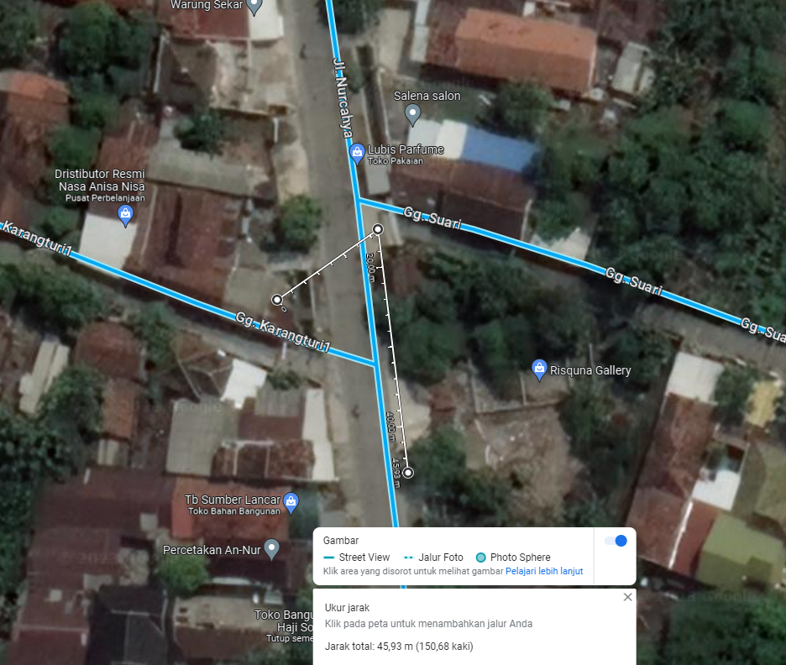
 | Golongan
 | No. Gambar |  | 1 |  | Lembar |  | dr
 | Gambar dari |  |  |  | Skala
 | Perihal:
 | TSALITS QOIF FARID

 | Digambar |  | Staff Teknik
 | Diperiksa |  | TL Teknik
 | Diketahui |  | Manager
 | Disetujui |  | Mbag Ren

SLD

SINGLE LINE DIAGRAM LOKASI PELANGGAN

